General data
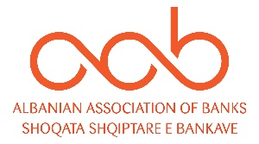

Cards & Home Banking

No | INDICATOR | Q1 | Q2 | Q3 | Q4 | Annual

1 | Card with a cash function | 1,664,152 |  |  |  | 1,664,152
2 | Card with payment function | 1,589,196 |  |  |  | 1,589,196
 | - Debit | 1,469,587 |  |  |  | 1,469,587
 | - Credit | 119,609 |  |  |  | 119,609

3 | No. of Transactions with Cards | 10,897,777 |  |  |  | 10,897,777
4 | Volume of Transactions with cards (mil ALL) | 63,124 |  |  |  | 63,124
5 | No. of Online Transactions | 3,060,712 |  |  |  | 3,060,712
6 | Volume of Online Transactions (mil ALL) | 690,564 |  |  |  | 690,564

7 | No. of outlets | 433 |  |  |  | 433
8 | No. of ATMs | 1,147 |  |  |  | 1147
9 | No. of POS | 32,224 |  |  |  | 32,224

 | Source: Bank of Albania

