General data
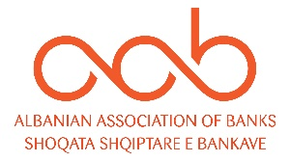

Cards & Home Banking

No | INDICATOR | Q1 | Q2 | Q3 | Q4 | Annual

1 | Card with a cash function | 1,543,674 | 1,571,919 | 1,610,099 |  | 1,610,099
2 | Card with payment function | 1,469,684 | 1,495,667 | 1,534,520 |  | 1,534,520
 | - Debit | 1,352,390 | 1,377,159 | 1,415,998 |  | 1,415,998
 | - Credit | 117,294 | 118,508 | 118,522 |  | 118,522

3 | No. of Transactions with Cards | 8,780,186 | 9,922,547 | 9,897,700 |  | 28,600,433
4 | Volume of Transactions with cards (mil ALL) | 55,679 | 61,275 | 63,229 |  | 180,183
5 | No. of Online Transactions | 2,434,545 | 2,848,279 | 2,993,808 |  | 8,276,632
6 | Volume of Online Transactions (mil ALL) | 610,615 | 682,017 | 700,213 |  | 1,992,844

7 | No. of outlets | 408 | 409 | 408 |  | 408
8 | No. of ATMs | 1,064 | 1214 | 1,337 |  | 1337
9 | No. of POS | 25,190 | 27,969 | 29,261 |  | 29,261

 | Source: Bank of Albania

